Screen Layout
Screen layout

Screen ID | TK-02 | Screen Name | Detail design asset categories

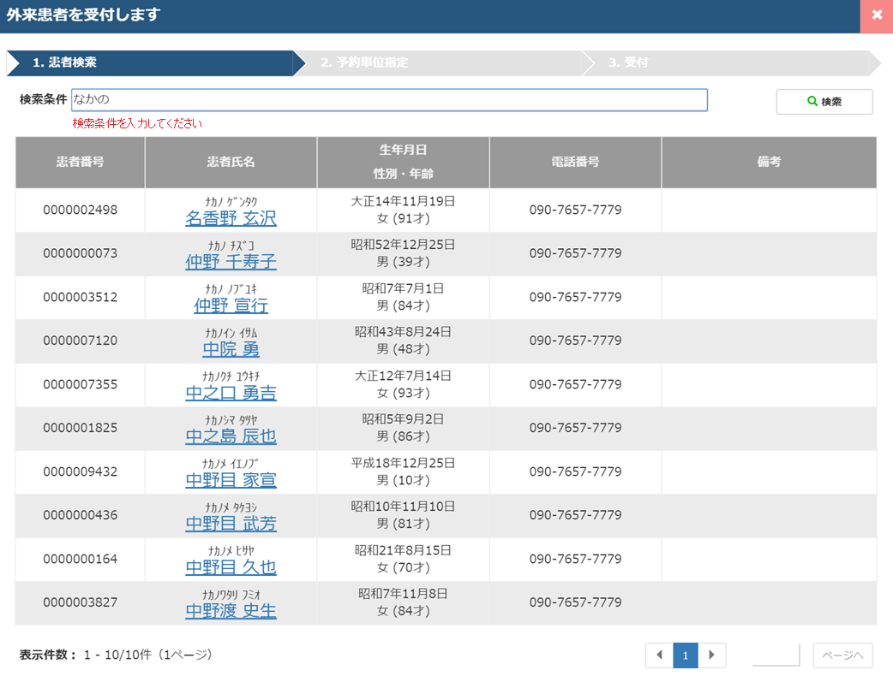
 |  |  |  | A | Tittle area

 |  |  |  | B | Search condition area

 |  |  |  | C | Search result area

 |  |  |  | D | Footer area

